Kontras Ortogonal
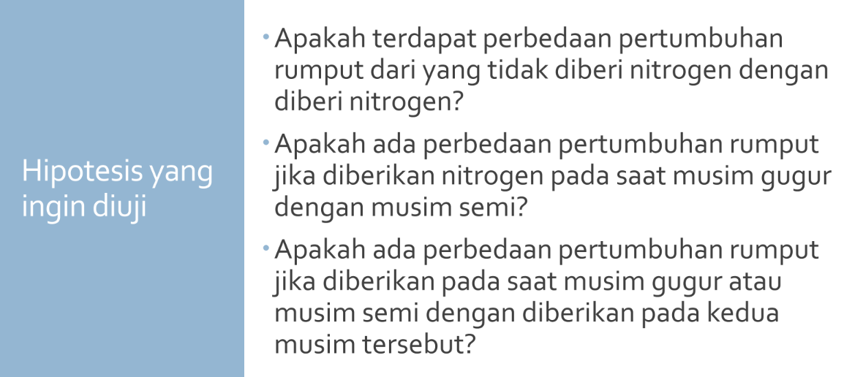

 |  |  |  |  |  |  |  |  |  |  | KTG | 0.0892

 | Kontrol | Fall | Spring | Split | sigma ciyi | sigma ci^2 | r | JKC | KTC | F hit | F tab | p value
Ytotal | 33.6 | 37 | 38.4 | 34.2
C1 | 3 | -1 | -1 | -1 | -8.8 | 12 | 3 | 2.1511111111 | 2.1511111111 | 24.115595416 | 5.9873776073 | 0.0026816272142
C2 | 0 | 1 | -1 | 0 | -1.4 | 2 | 3 | 0.32666666667 | 0.32666666667 | 3.6621823617 | 5.9873776073 | 0.10417459057
C3 | 0 | 1 | 1 | -2 | 7 | 6 | 3 | 2.7222222222 | 2.7222222222 | 30.518186348 | 5.9873776073 | 0.0014809549231

